1
 | FURUKAWA AUTOMOTIVE SYSTEMS LIMA PHILIPPINES, INC. |  |  |  |  | Tube Making Inventory System Work Instructions |  |  |  |  |  | DOCUMENT TYPE: | WORK INSTRUCTION | PAGE NO.: | 1 /2
 |  |  |  |  |  |  |  |  |  |  |  | DOCUMENT NO.: | REVISION NO.: | EFFECTIVITY DATE:
 |  |  |  |  |  |  |  |  |  |  |  | 1 | 0
CAR MODEL |  | MATERIALS |  |  |  |  |  | DEVICES / EQUIPMENT USED |  |  | REFERENCE
N/A |  | Computer Application |  |  |  |  |  | Computer |  |  | N/A

FORMS |  |  |  |  | PURPOSE |  |  |  | SCOPE
 |  |  |  |  | To provide a work instructions on how to Store in and Store out materials using the Tube Making Inventory System |  |  |  | To detail the process on how to store in and store out materials using the Tube Making Inventory System

1
User will be redirected to this page. When Storing materials, the Stock Address QR code must be scanned first, followed by the Kanban QR code.
3
The scanned QR codes for stock addresses and Kanban will be displayed here.
5
Store In
Login your credentials registered by your administrator. User role will be redirected to the user page, and Admin role will be redirected to the admin page.
2
Focus on the input field when scanning Kanban for storing out materials.
4
Store out

Get started by going to your dektop and look for your Tube Making Inventory System.
URL : http://172.25.112.172/tmis/index.php

 |  |  |  |  |  |  |  |  |  | Amazon.com: Ethernet Cable Labels

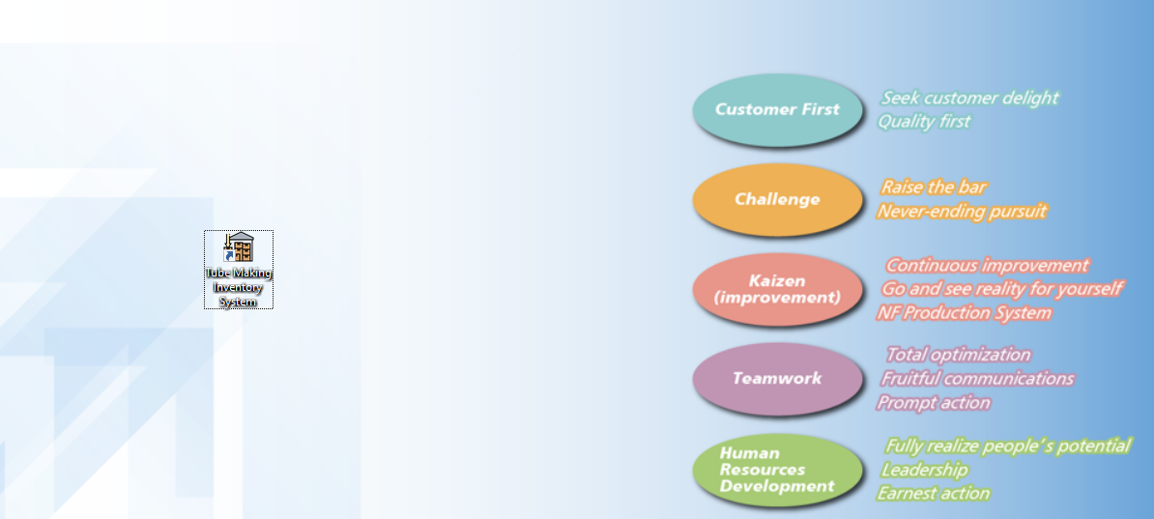
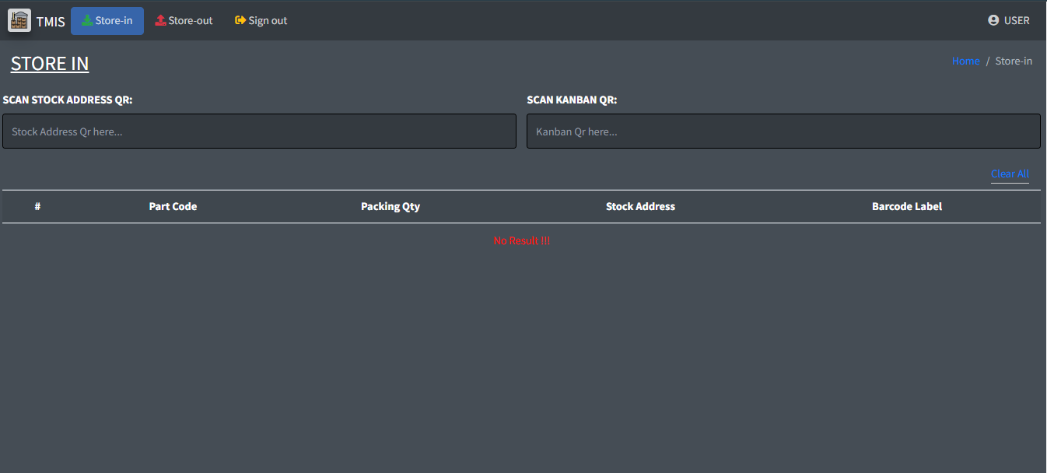

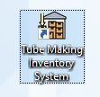
1. Scan stock address Qr
2. Scan Kanban Qr

USER PAGE

6
1. Sign out - click to leave the page.
2. User icon - display user's username.
3. Clear all - to clear data on the table.

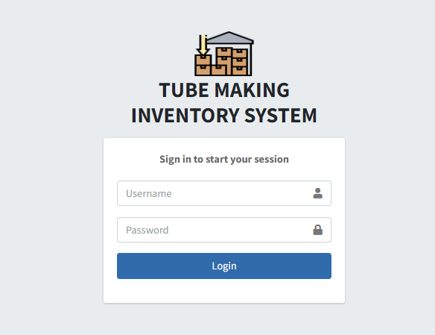
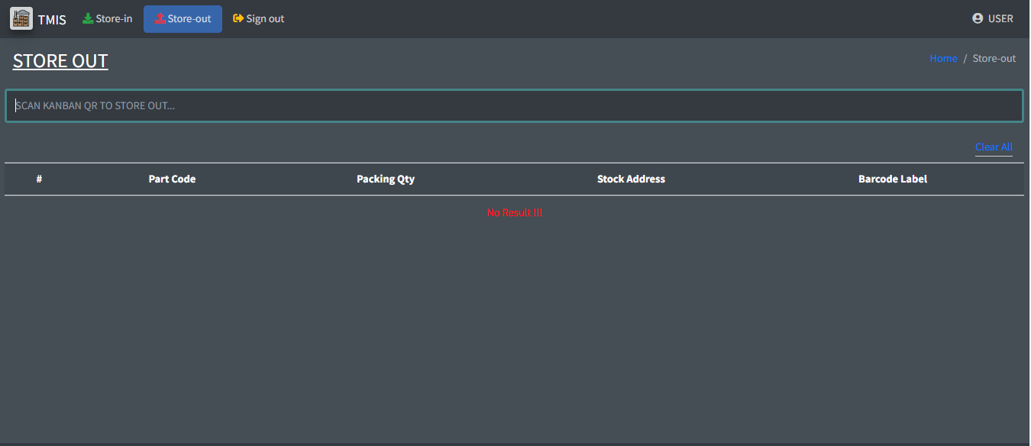

1
2

Scan Kanban QR
3

 |  |  |  |  |  |  |  |  |  |  |  |  |  |  |  | s

0
DR/CN No. |  |  | Revision No. | Effectivity Date |  |  | Details of change
 |  |  | 0 |  |  |  | First Issue

2
 | FURUKAWA AUTOMOTIVE SYSTEMS LIMA PHILIPPINES, INC. |  |  |  |  | Tube Making Inventory System Work Instructions |  |  |  |  |  | DOCUMENT TYPE: | WORK INSTRUCTION | PAGE NO.: | 2 / 2
 |  |  |  |  |  |  |  |  |  |  |  | DOCUMENT NO.: | REVISION NO.: | EFFECTIVITY DATE:
 |  |  |  |  |  |  |  |  |  |  |  | 1 | 0
CAR MODEL |  | MATERIALS |  |  |  |  |  | DEVICES / EQUIPMENT USED |  |  | REFERENCE
N/A |  | Computer Application |  |  |  |  |  | Computer |  |  | N/A

FORMS |  |  |  |  | PURPOSE |  |  |  | SCOPE
 |  |  |  |  | To provide a work instructions on how to Store in and Store out materials using the Tube Making Inventory System |  |  |  | To detail the process on how to store in and store out materials using the Tube Making Inventory System

Inventory Page:
The tally of all scanned Kanban QR codes will be displayed in this page.
9
Store-out Page:
The scanned Kanban QR for store out will be saved here.
8
Store-in Page:
The QR codes from the scanned stock addresses and Kanban will be stored in this table.
7

10.1
The admin can delete and update the list in case of misspellings by clicking the partcode. The admin can delete all the list at once by clicking select all box, or delete only the selected list by checking each boxes then click the DEL button.

 |  |  |  |  |  |  |  |  |  | Amazon.com: Ethernet Cable Labels
ADMIN PAGE
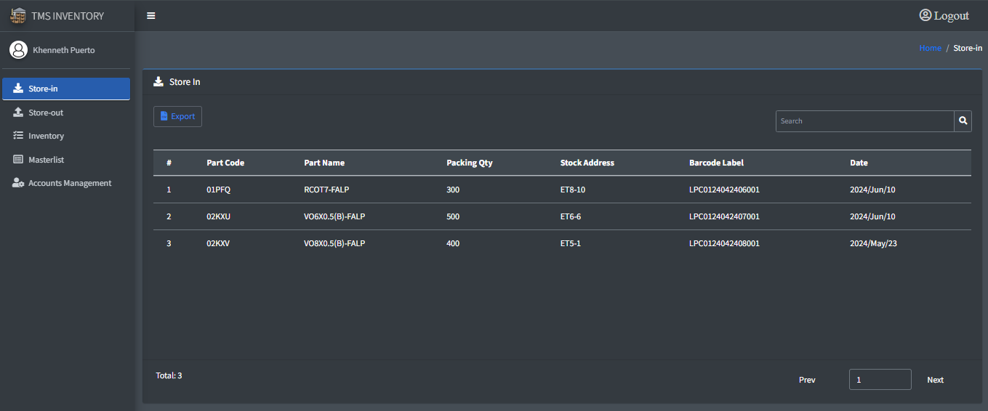
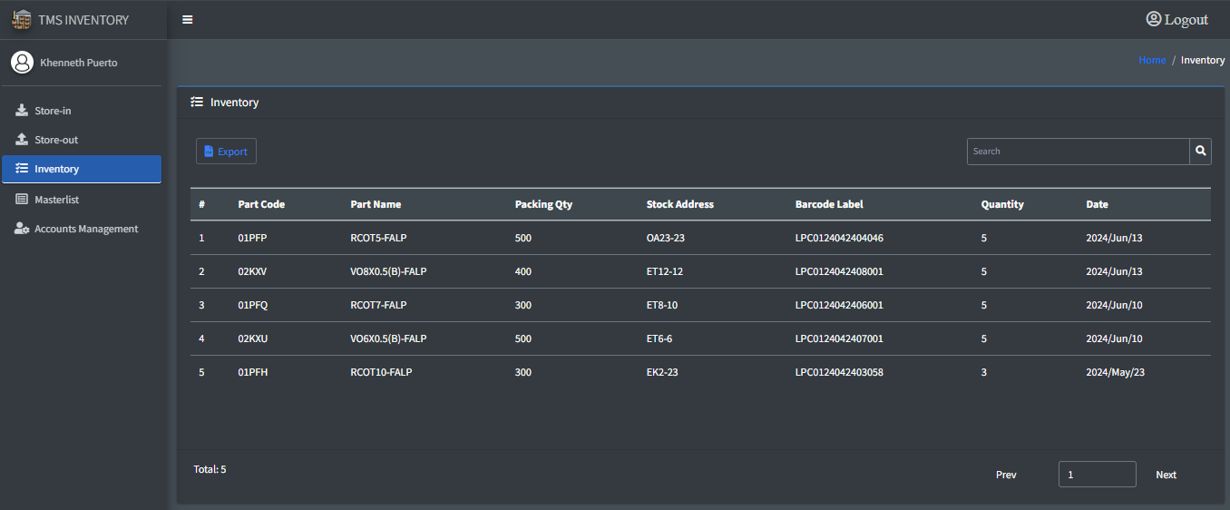

Quantity: the tally of scanned Kanban QR based on Partcode

Select all



10
Masterlist Page:
In the masterlist page, an admin can Add new, Import, and Export. When adding new list to the masterlist, admin must input all the fields, then click add button. And, when importing files, they must be in CSV format.

11
Accounts Management Page:
The administrator can add new users and admins, import, and export data, and assign role types. They can also update user information by clicking on anywhere in a row to correct misspellings. Only admins are authorized to added new users for system access. Additionally, registered accounts will be automatically redirected to appropriate pages based on their assigned roles.

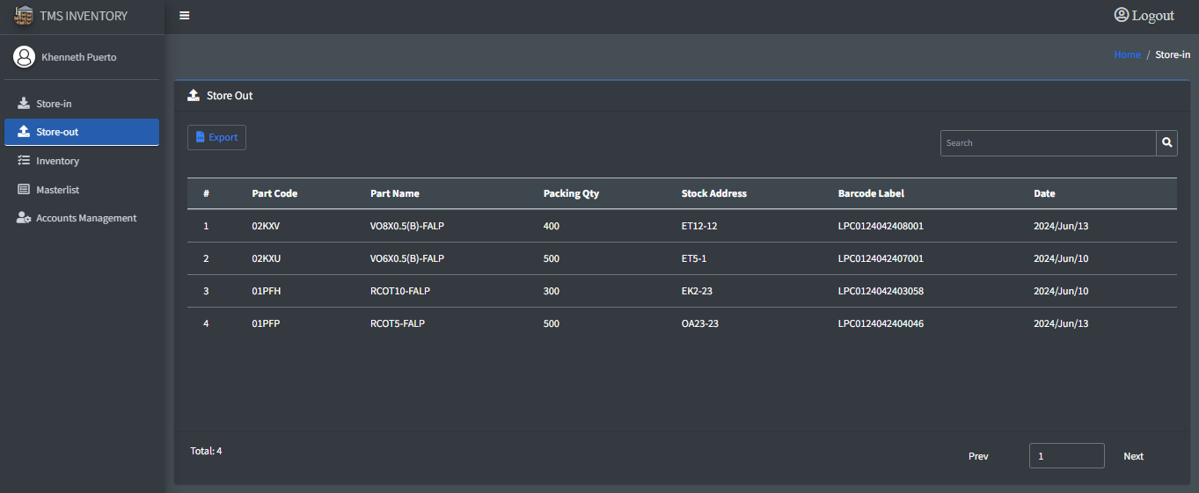

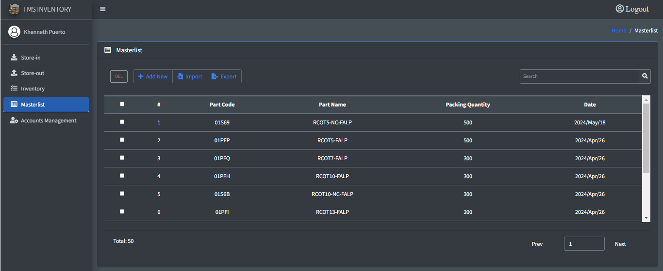

Import and Export
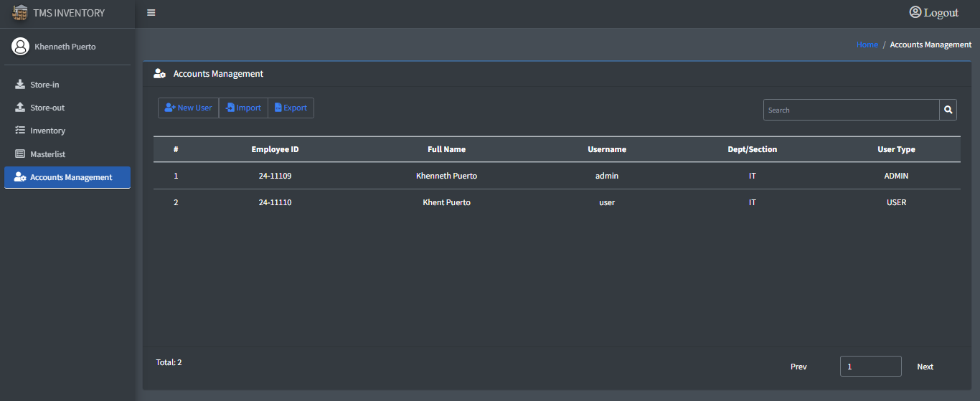

Add new user, Import, Export



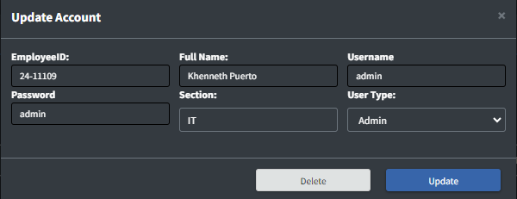

0
DR/CN No. |  |  | Revision No. | Effectivity Date |  |  | Details of change
 |  |  | 0 |  |  |  | First Issue

